Sheet1
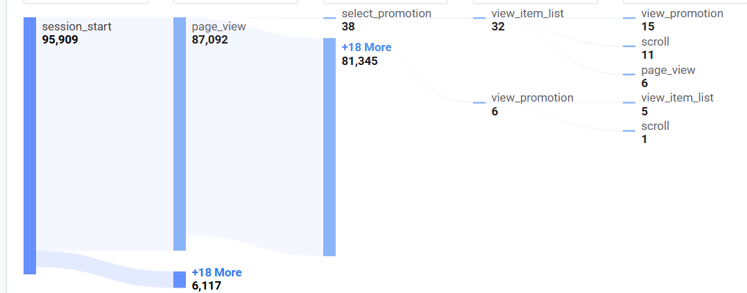
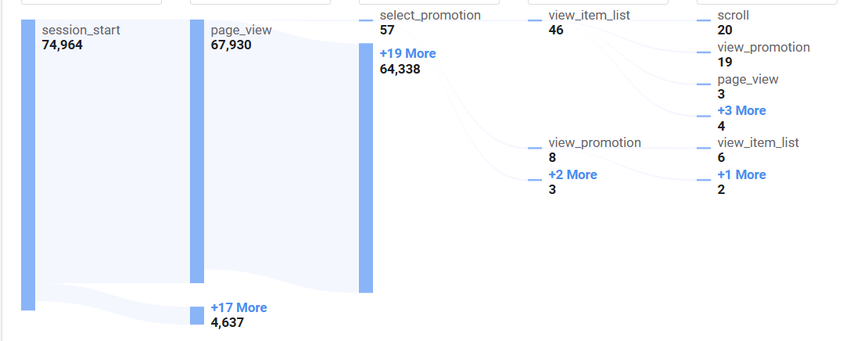
Comparison of Engagement rate for default channel group
Dec-24 |  |  |  | Jan-25
Default channel group | Engagement rate |  |  | Default channel group | Engagement rate
Paid Other | 1 |  |  | Organic Video | 1
Organic Video | 1 |  |  | Paid Other | 1
Organic Social | 0.99339 |  |  | Email | 0.9985
Organic Search | 0.99253 |  |  | Referral | 0.9972
Organic Shopping | 0.99250 |  |  | Paid Search | 0.9965
Email | 0.99170 |  |  | Organic Search | 0.9899
Referral | 0.99150 |  |  | Organic Social | 0.9930

Comparison of Promotion views
2025-12-24 |  |  | 2025-01-25
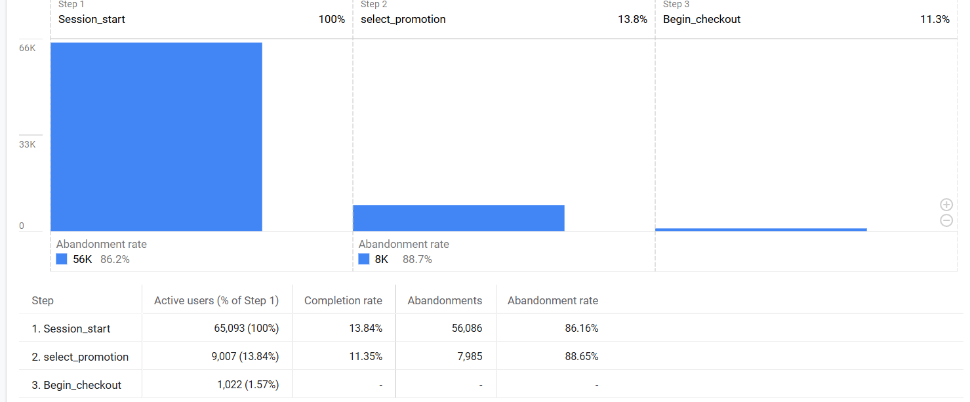
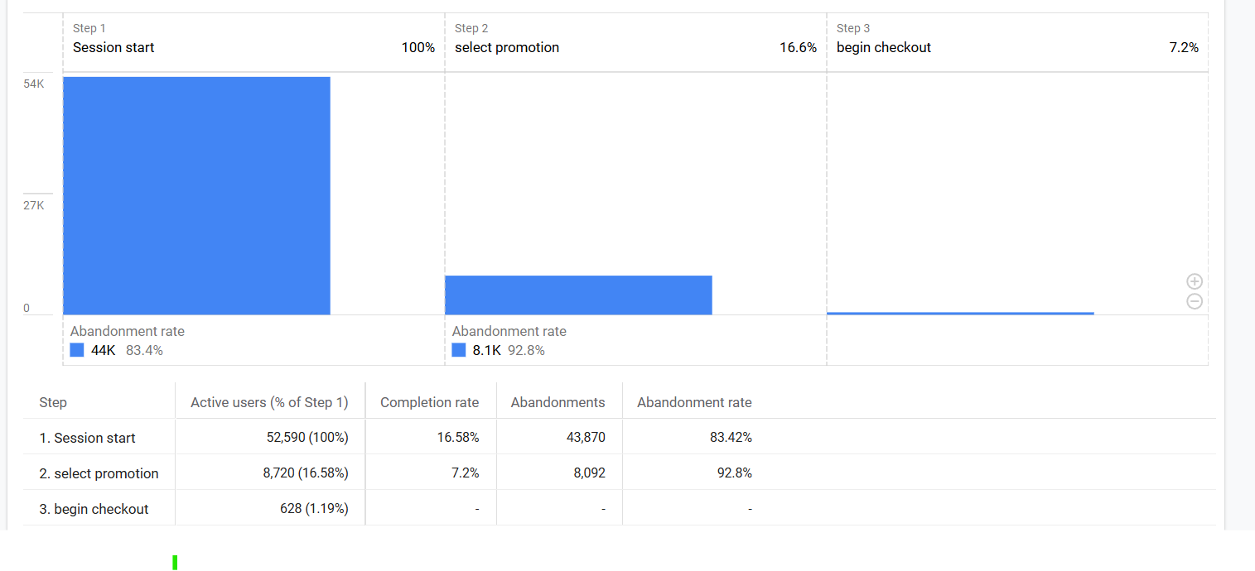

Comparison of Promotion score
2025-12-24 |  | 2025-01-25
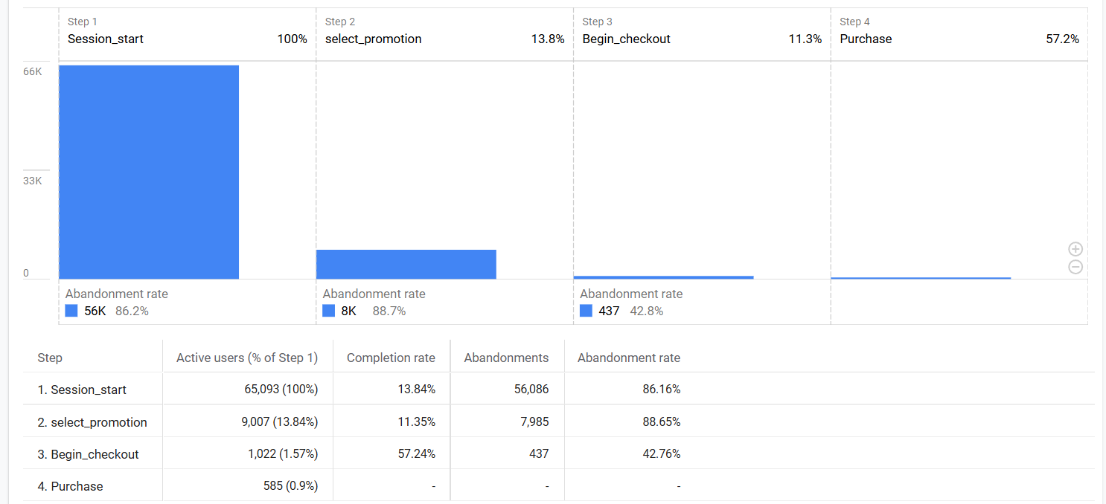


Comparison of itemspurchasedperitemview for item name between two time periods

Comparison of itemspurchasedperinterview rate
2025-12-24 |  | 2025-01-25
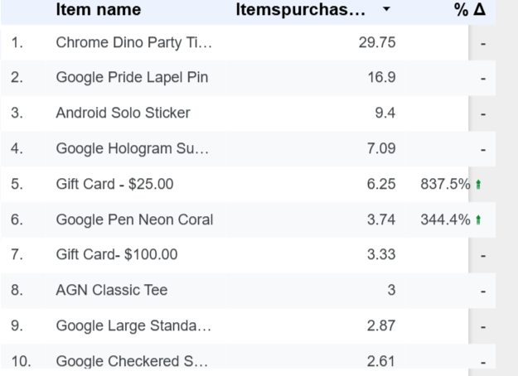
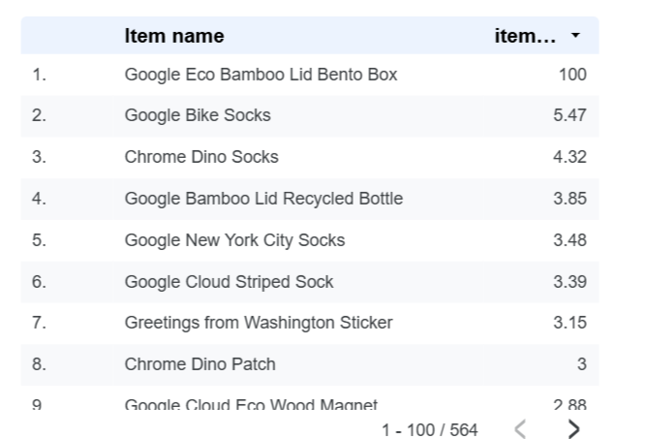
 |  |  |  |  |  | 2025-01-25

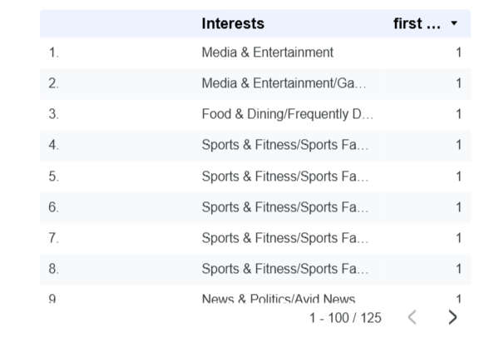
Comparison of first time user purchasers rate
2025-12-24 |  |  |  | 2025-12-25
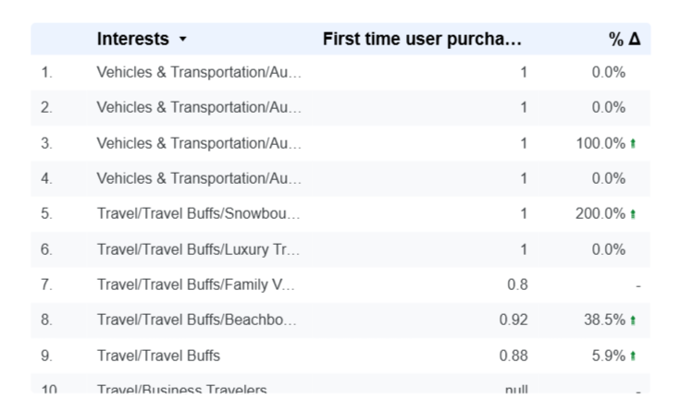

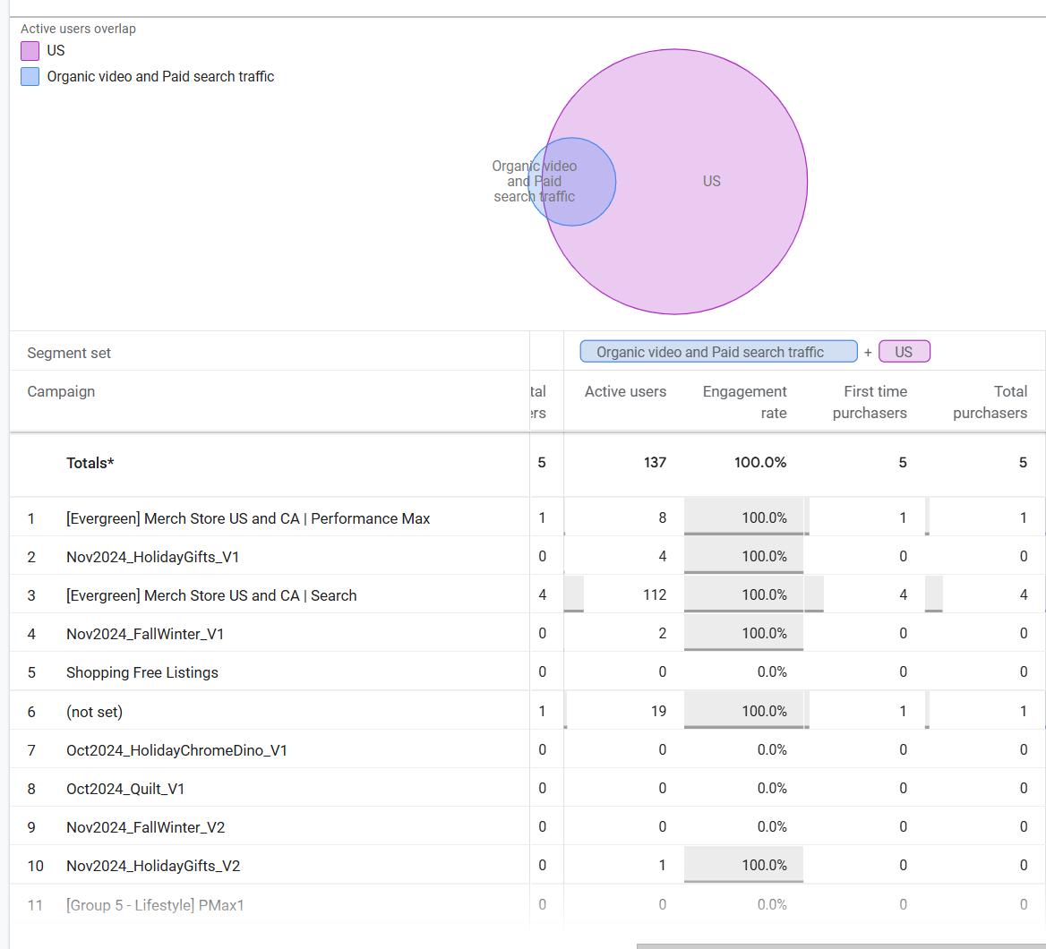
Comparison of first time users purchasers rate for organic video traffic, paid search traffic and US users for promotion
2025-12-24 |  |  | 2025-01-25
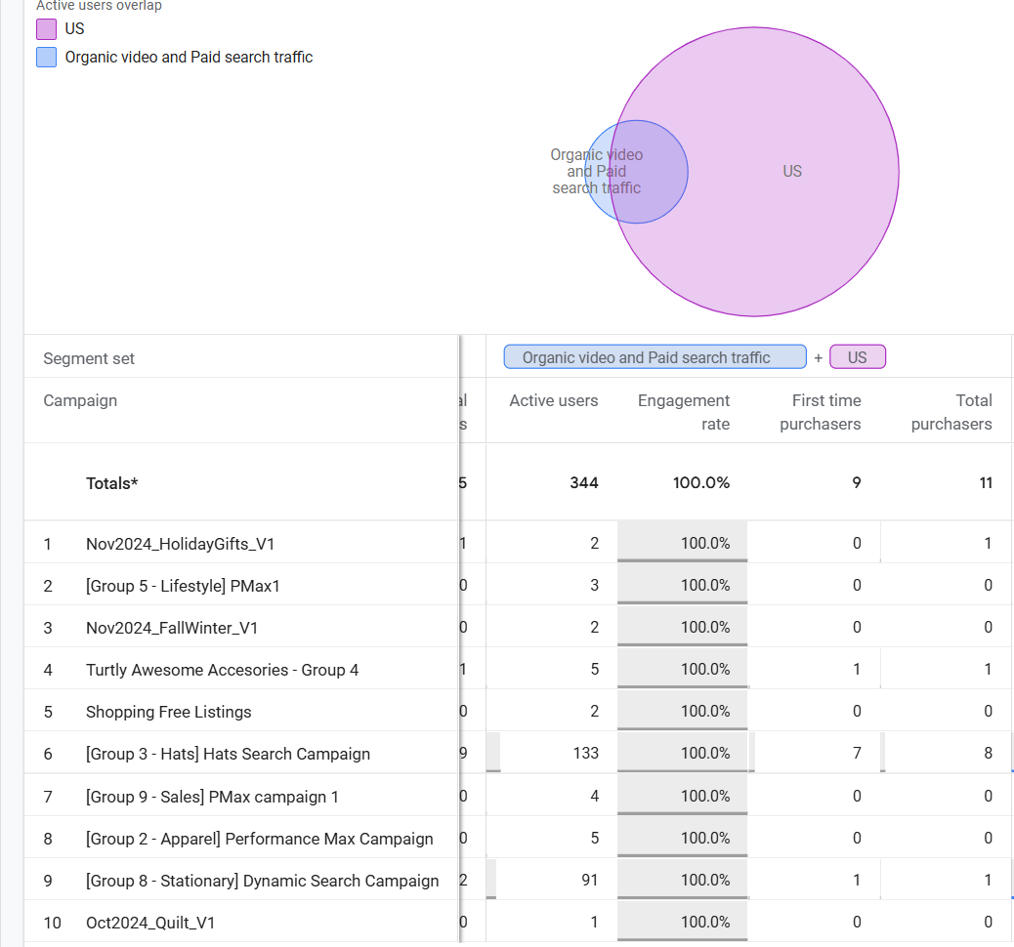

Comparison of user path flow for promotion
2025-12-24 |  |  |  | 2025-12-25

